Sheet1
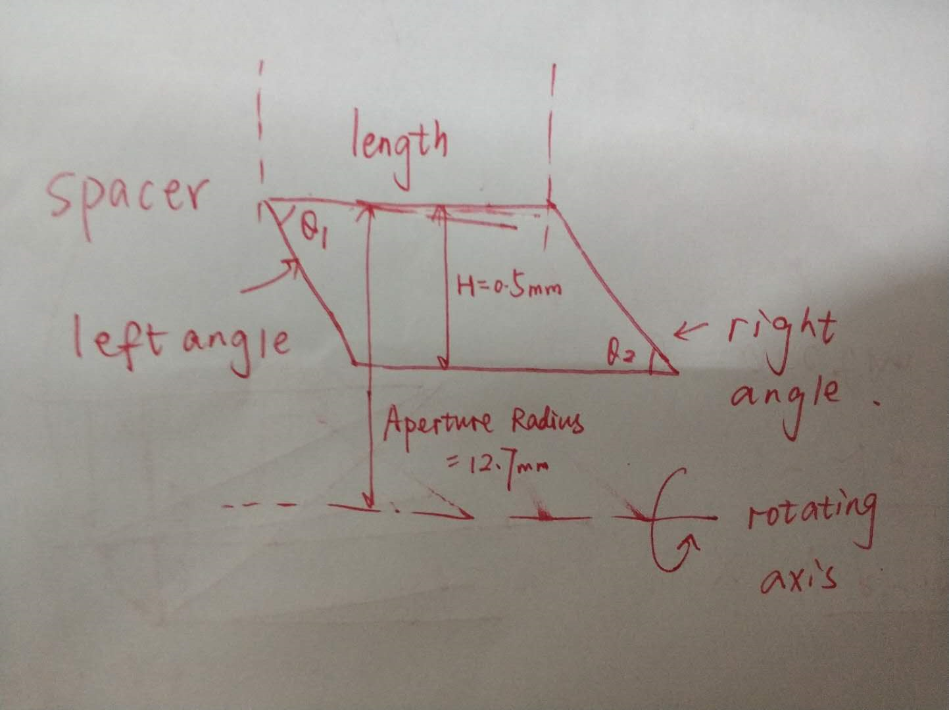
spacer for objective
spacer | left angle/degree | right angle/degree | length/mm
A | 90 | 83.3119 | 1.24534
B&D | 72.1425 | 92.0195 | 3.28502
C | 78.0282 | 101.972 | 31.5658
E | 96.6881 | 119.81 | 3.29486

